Diadora
SKU | ItemTitle | ItemDescription | RRP | Whs | Barcode | TaxRate | Adults/Kids | Available
LYFD~176637-C1639#3 | DIADORA KOALA WHT PINK GREY 176637-C1639 3 | LYFD~176637-C1639 | £70.00 | £25.00 | 8032521146945 | 20% | Adults | 2
LYFD~176637-C1639#3.5 | DIADORA KOALA WHT PINK GREY 176637-C1639 3.5 | LYFD~176637-C1639 | £70.00 | £25.00 | 8032521146952 | 20% | Adults | 22
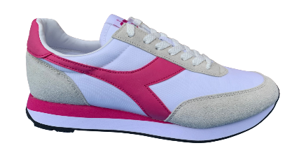
LYFD~176637-C1639#4 | DIADORA KOALA WHT PINK GREY 176637-C1639 4 | LYFD~176637-C1639 | £70.00 | £25.00 | 8032521146969 | 20% | Adults | 10
LYFD~176637-C1639#4.5 | DIADORA KOALA WHT PINK GREY 176637-C1639 4.5 | LYFD~176637-C1639 | £70.00 | £25.00 | 8032521146976 | 20% | Adults | 38
LYFD~176637-C1639#5 | DIADORA KOALA WHT PINK GREY 176637-C1639 5 | LYFD~176637-C1639 | £70.00 | £25.00 | 8032521146983 | 20% | Adults | 40
LYFD~176637-C1639#5.5 | DIADORA KOALA WHT PINK GREY 176637-C1639 5.5 | LYFD~176637-C1639 | £70.00 | £25.00 | 8032521146990 | 20% | Adults | 11
LYFD~176637-C1639#6 | DIADORA KOALA WHT PINK GREY 176637-C1639 6 | LYFD~176637-C1639 | £70.00 | £25.00 | 8032521160903 | 20% | Adults | 41
LYFD~176637-C1639#6.5 | DIADORA KOALA WHT PINK GREY 176637-C1639 6.5 | LYFD~176637-C1639 | £70.00 | £25.00 | 8032521160910 | 20% | Adults | 35
LYFD~176637-C1639#7 | DIADORA KOALA WHT PINK GREY 176637-C1639 7 | LYFD~176637-C1639 | £70.00 | £25.00 | 8032521160927 | 20% | Adults | 3
LYFD~176637-C1639#7.5 | DIADORA KOALA WHT PINK GREY 176637-C1639 7.5 | LYFD~176637-C1639 | £70.00 | £25.00 | 8032521160934 | 20% | Adults | 39
LYFD~176637-C1639#8 | DIADORA KOALA WHT PINK GREY 176637-C1639 8 | LYFD~176637-C1639 | £70.00 | £25.00 | 8032521160941 | 20% | Adults | 17
 |  | LYFD~176637-C1639 Total |  |  |  |  |  | 258
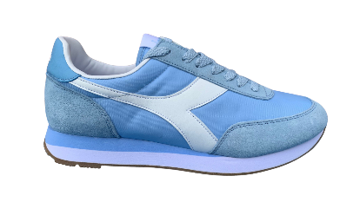
LYFD~176637-65064#3.5 | DIADORA KOALA BLUE WHITE 176637-65064 3.5 ?318 Y62 * 012-25 | LYFD~176637-65064 | £70.00 | £25.00 | 8032521126718 | 20% | Adults | 25
LYFD~176637-65064#4 | DIADORA KOALA BLUE WHITE 176637-65064 4 ?318 Y63 * 012-33 | LYFD~176637-65064 | £70.00 | £25.00 | 8032521126701 | 20% | Adults | 31
LYFD~176637-65064#4.5 | DIADORA KOALA BLUE WHITE 176637-65064 4.5 ?318 Y64 * 012-53 | LYFD~176637-65064 | £70.00 | £25.00 | 8032521126695 | 20% | Adults | 51
LYFD~176637-65064#5 | DIADORA KOALA BLUE WHITE 176637-65064 5 ?318 Y65 * 012-44 | LYFD~176637-65064 | £70.00 | £25.00 | 8032521126688 | 20% | Adults | 43
LYFD~176637-65064#5.5 | DIADORA KOALA BLUE WHITE 176637-65064 5.5 ?318 Y66 * 012-22 | LYFD~176637-65064 | £70.00 | £25.00 | 8032521126671 | 20% | Adults | 20
LYFD~176637-65064#6 | DIADORA KOALA BLUE WHITE 176637-65064 6 ?318 Y67 * 012-37 | LYFD~176637-65064 | £70.00 | £25.00 | 8032521126664 | 20% | Adults | 30
LYFD~176637-65064#6.5 | DIADORA KOALA BLUE WHITE 176637-65064 6.5 ?318 Y68 * 012-37 | LYFD~176637-65064 | £70.00 | £25.00 | 8032521126657 | 20% | Adults | 30
LYFD~176637-65064#7 | DIADORA KOALA BLUE WHITE 176637-65064 7 ?318 Y69 * 012-16 | LYFD~176637-65064 | £70.00 | £25.00 | 8032521126640 | 20% | Adults | 8
 |  | LYFD~176637-65064 Total |  |  |  |  |  | 238
LYFD~175759-C8332#37 | DIADORA SOLANAS WHITE RED 175759-C8332 37 ?1247 Y61 * 012-94 | LYFD~175759-C8332 | £25.00 | £9.00 | 8032521125391 | 20% | Adults | 91
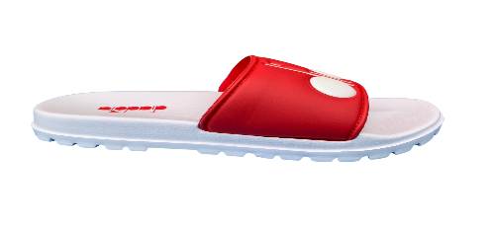
LYFD~175759-C8332#38 | DIADORA SOLANAS WHITE RED 175759-C8332 38 ?1247 Y61 * 012-102 | LYFD~175759-C8332 | £25.00 | £9.00 | 8032521125384 | 20% | Adults | 102
LYFD~175759-C8332#39 | DIADORA SOLANAS WHITE RED 175759-C8332 39 ?1247 Y61 * 012-124 | LYFD~175759-C8332 | £25.00 | £9.00 | 8032521125377 | 20% | Adults | 124
LYFD~175759-C8332#40 | DIADORA SOLANAS WHITE RED 175759-C8332 40 ?1247 Y61 * 012-159 | LYFD~175759-C8332 | £25.00 | £9.00 | 8032521125360 | 20% | Adults | 156
LYFD~175759-C8332#41 | DIADORA SOLANAS WHITE RED 175759-C8332 41 ?1247 Y61 * 012-159 | LYFD~175759-C8332 | £25.00 | £9.00 | 8032521125353 | 20% | Adults | 157
LYFD~175759-C8332#42 | DIADORA SOLANAS WHITE RED 175759-C8332 42 ?1247 Y61 * 012-141 | LYFD~175759-C8332 | £25.00 | £9.00 | 8032521125346 | 20% | Adults | 137
LYFD~175759-C8332#43 | DIADORA SOLANAS WHITE RED 175759-C8332 43 ?1247 Y61 * 012-142 | LYFD~175759-C8332 | £25.00 | £9.00 | 8032521125339 | 20% | Adults | 132
LYFD~175759-C8332#44 | DIADORA SOLANAS WHITE RED 175759-C8332 44 ?1247 Y61 * 012-133 | LYFD~175759-C8332 | £25.00 | £9.00 | 8032521125322 | 20% | Adults | 129
LYFD~175759-C8332#45 | DIADORA SOLANAS WHITE RED 175759-C8332 45 ?1247 Y61 * 012-98 | LYFD~175759-C8332 | £25.00 | £9.00 | 8032521125315 | 20% | Adults | 86
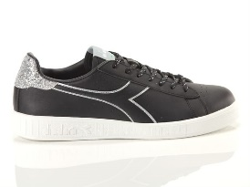
LYFD~175759-C8332#36 | DIADORA SOLANAS WHITE RED 175759-C8332 36 ?1247 Y61 * 012-77 | LYFD~175759-C8332 | £25.00 | £9.00 | 8032521125407 | 20% | Adults | 75
 |  | LYFD~175759-C8332 Total |  |  |  |  |  | 1189
LYFD~175063-80013#3.5 | DIADORA GAME P WN BLACK WHITE 175063-80013 3.5 ?201 Y61 * 012-63 | LYFD~175063-80013 | £45.00 | £16.00 | 8030631909351 | 20% | Adults | 62
LYFD~175063-80013#5 | DIADORA GAME P WN BLACK WHITE 175063-80013 5 ?201 Y61 * 012-56 | LYFD~175063-80013 | £45.00 | £16.00 | 8030631909320 | 20% | Adults | 55
LYFD~175063-80013#6 | DIADORA GAME P WN BLACK WHITE 175063-80013 6 ?201 Y61 * 012-61 | LYFD~175063-80013 | £45.00 | £16.00 | 8030631909306 | 20% | Adults | 57
LYFD~175063-80013#7.5 | DIADORA GAME P WN BLACK WHITE 175063-80013 7.5 ?201 Y61 * 012-6 | LYFD~175063-80013 | £45.00 | £16.00 | 8030631909276 | 20% | Adults | 4
 |  | LYFD~175063-80013 Total |  |  |  |  |  | 178
LYFD~175759-C1401#36 | DIADORA SOLANAS WHITE NAVY 175759-C1401 36 ?403 Y61 * 012-20 | LYFD~175759-C1401 | £45.00 | £16.00 | 8032521125513 | 20% | Adults | 20
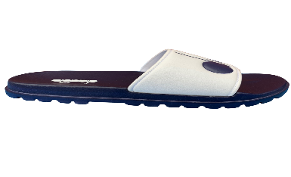
LYFD~175759-C1401#37 | DIADORA SOLANAS WHITE NAVY 175759-C1401 37 ?403 Y61 * 012-36 | LYFD~175759-C1401 | £45.00 | £16.00 | 8032521125506 | 20% | Adults | 33
LYFD~175759-C1401#38 | DIADORA SOLANAS WHITE NAVY 175759-C1401 38 ?403 Y61 * 012-23 | LYFD~175759-C1401 | £45.00 | £16.00 | 8032521125490 | 20% | Adults | 20
LYFD~175759-C1401#39 | DIADORA SOLANAS WHITE NAVY 175759-C1401 39 ?403 Y61 * 012-27 | LYFD~175759-C1401 | £45.00 | £16.00 | 8032521125483 | 20% | Adults | 20
LYFD~175759-C1401#40 | DIADORA SOLANAS WHITE NAVY 175759-C1401 40 ?403 Y61 * 012-65 | LYFD~175759-C1401 | £45.00 | £16.00 | 8032521125476 | 20% | Adults | 61
LYFD~175759-C1401#41 | DIADORA SOLANAS WHITE NAVY 175759-C1401 41 ?403 Y61 * 012-56 | LYFD~175759-C1401 | £45.00 | £16.00 | 8032521125469 | 20% | Adults | 51
LYFD~175759-C1401#42 | DIADORA SOLANAS WHITE NAVY 175759-C1401 42 ?403 Y61 * 012-44 | LYFD~175759-C1401 | £45.00 | £16.00 | 8032521125452 | 20% | Adults | 35
LYFD~175759-C1401#43 | DIADORA SOLANAS WHITE NAVY 175759-C1401 43 ?403 Y61 * 012-24 | LYFD~175759-C1401 | £45.00 | £16.00 | 8032521125445 | 20% | Adults | 12
LYFD~175759-C1401#44 | DIADORA SOLANAS WHITE NAVY 175759-C1401 44 ?403 Y61 * 012-23 | LYFD~175759-C1401 | £45.00 | £16.00 | 8032521125438 | 20% | Adults | 12
LYFD~175759-C1401#45 | DIADORA SOLANAS WHITE NAVY 175759-C1401 45 ?403 Y61 * 012-30 | LYFD~175759-C1401 | £45.00 | £16.00 | 8032521125421 | 20% | Adults | 15
 |  | LYFD~175759-C1401 Total |  |  |  |  |  | 279
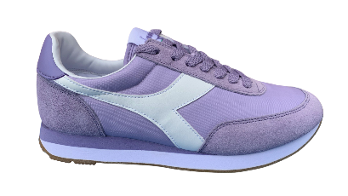
LYFD~176637-55180#3.5 | DIADORA KOALA VIOLA LILAC WHITE 176637-55180 ?502 Y61 - UK 3.5 * 012-36 | LYFD~176637-55180 | £70.00 | £25.00 | 8032521127586 | 20% | Adults | 36
LYFD~176637-55180#4 | DIADORA KOALA VIOLA LILAC WHITE 176637-55180 ?502 Y61 - UK 4 * 012-43 | LYFD~176637-55180 | £70.00 | £25.00 | 8032521127579 | 20% | Adults | 43
LYFD~176637-55180#4.5 | DIADORA KOALA VIOLA LILAC WHITE 176637-55180 ?502 Y61 - UK 4.5 * 012-69 | LYFD~176637-55180 | £70.00 | £25.00 | 8032521127562 | 20% | Adults | 69
LYFD~176637-55180#5 | DIADORA KOALA VIOLA LILAC WHITE 176637-55180 ?502 Y61 - UK 5 * 012-76 | LYFD~176637-55180 | £70.00 | £25.00 | 8032521127555 | 20% | Adults | 74
LYFD~176637-55180#5.5 | DIADORA KOALA VIOLA LILAC WHITE 176637-55180 ?502 Y61 - UK 5.5 * 012-42 | LYFD~176637-55180 | £70.00 | £25.00 | 8032521127548 | 20% | Adults | 42
LYFD~176637-55180#6 | DIADORA KOALA VIOLA LILAC WHITE 176637-55180 ?502 Y61 - UK 6 * 012-71 | LYFD~176637-55180 | £70.00 | £25.00 | 8032521127531 | 20% | Adults | 66
LYFD~176637-55180#6.5 | DIADORA KOALA VIOLA LILAC WHITE 176637-55180 ?502 Y61 - UK 6.5 * 012-66 | LYFD~176637-55180 | £70.00 | £25.00 | 8032521127524 | 20% | Adults | 65
LYFD~176637-55180#7 | DIADORA KOALA VIOLA LILAC WHITE 176637-55180 ?502 Y61 - UK 7 * 012-36 | LYFD~176637-55180 | £70.00 | £25.00 | 8032521127517 | 20% | Adults | 33
LYFD~176637-55180#7.5 | DIADORA KOALA VIOLA LILAC WHITE 176637-55180 ?502 Y61 - UK 7.5 * 012-34 | LYFD~176637-55180 | £70.00 | £25.00 | 8032521127500 | 20% | Adults | 31
 |  | LYFD~176637-55180 Total |  |  |  |  |  | 459
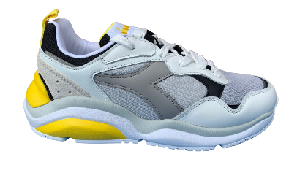
LYFD~176398-20006#37 | DIADORA FIT RUN WHITE GREY NAVY 176398-20006 37 ?207 Y61 * 012-6 | LYFD~176398-20006 | £90.00 | £32.00 | 8032521081888 | 20% | Adults | 6
LYFD~176398-20006#39 | DIADORA FIT RUN WHITE GREY NAVY 176398-20006 39 ?207 Y61 * 012-9 | LYFD~176398-20006 | £90.00 | £32.00 | 8032521081864 | 20% | Adults | 8
LYFD~176398-20006#40 | DIADORA FIT RUN WHITE GREY NAVY 176398-20006 40 ?207 Y61 * 012-26 | LYFD~176398-20006 | £90.00 | £32.00 | 8032521081857 | 20% | Adults | 24
LYFD~176398-20006#41 | DIADORA FIT RUN WHITE GREY NAVY 176398-20006 41 ?207 Y61 * 012-38 | LYFD~176398-20006 | £90.00 | £32.00 | 8032521081505 | 20% | Adults | 36
LYFD~176398-20006#42 | DIADORA FIT RUN WHITE GREY NAVY 176398-20006 42 ?207 Y61 * 012-44 | LYFD~176398-20006 | £90.00 | £32.00 | 8032521081154 | 20% | Adults | 42
LYFD~176398-20006#43 | DIADORA FIT RUN WHITE GREY NAVY 176398-20006 43 ?207 Y61 * 012-42 | LYFD~176398-20006 | £90.00 | £32.00 | 8032521081147 | 20% | Adults | 38
LYFD~176398-20006#44 | DIADORA FIT RUN WHITE GREY NAVY 176398-20006 44 ?207 Y61 * 012-37 | LYFD~176398-20006 | £90.00 | £32.00 | 8032521081130 | 20% | Adults | 35
 |  | LYFD~176398-20006 Total |  |  |  |  |  | 189
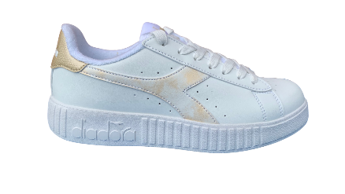
LYFD~175737-C8581#3.5 | DIADORA GAME P STEP WN WHITE GOLD 175737-C8581 3.5 ?3354 Y61 * 012-283 | LYFD~175737-C8581 | £65.00 | £23.00 | 8032520000000 | 20% | Adults | 280
LYFD~175737-C8581#4.5 | DIADORA GAME P STEP WN WHITE GOLD 175737-C8581 4.5 ?3354 Y61 * 012-621 | LYFD~175737-C8581 | £65.00 | £23.00 | 8032521075634 | 20% | Adults | 612
LYFD~175737-C8581#5 | DIADORA GAME P STEP WN WHITE GOLD 175737-C8581 5 ?3354 Y61 * 012-817 | LYFD~175737-C8581 | £65.00 | £23.00 | 8032521075627 | 20% | Adults | 807
LYFD~175737-C8581#6 | DIADORA GAME P STEP WN WHITE GOLD 175737-C8581 6 ?3354 Y61 * 012-912 | LYFD~175737-C8581 | £65.00 | £23.00 | 8032521075603 | 20% | Adults | 896
LYFD~175737-C8581#6.5 | DIADORA GAME P STEP WN WHITE GOLD 175737-C8581 6.5 ?3354 Y61 * 012-491 | LYFD~175737-C8581 | £65.00 | £23.00 | 8032521075597 | 20% | Adults | 474
LYFD~175737-C8581#7.5 | DIADORA GAME P STEP WN WHITE GOLD 175737-C8581 7.5 ?3354 Y61 * 012-191 | LYFD~175737-C8581 | £65.00 | £23.00 | 8032521075573 | 20% | Adults | 179
 |  | LYFD~175737-C8581 Total |  |  |  |  |  | 3248
LYFD~175099-C0641#10 | DIADORA DISTANCE 280 BLK WHITE 175099-C0641 10 ?267 Y61 * 012-14 | LYFD~175099-C0641 | £90.00 | £32.00 | 8032521143838 | 20% | Adults | 12
LYFD~175099-C0641#10.5 | DIADORA DISTANCE 280 BLK WHITE 175099-C0641 10.5 ?267 Y61 * 012-13 | LYFD~175099-C0641 | £90.00 | £32.00 | 8032521143821 | 20% | Adults | 9
LYFD~175099-C0641#11 | DIADORA DISTANCE 280 BLK WHITE 175099-C0641 11 ?267 Y61 * 012-3 | LYFD~175099-C0641 | £90.00 | £32.00 | 8032521143814 | 20% | Adults | 0
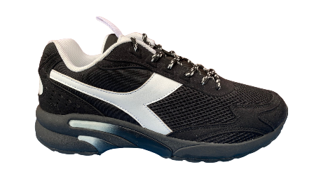
LYFD~175099-C0641#11.5 | DIADORA DISTANCE 280 BLK WHITE 175099-C0641 11.5 ?267 Y61 * 012-3 | LYFD~175099-C0641 | £90.00 | £32.00 | 8032521143807 | 20% | Adults | 0
LYFD~175099-C0641#3.5 | DIADORA DISTANCE 280 BLK WHITE 175099-C0641 3.5 ?267 Y61 * 012-4 | LYFD~175099-C0641 | £90.00 | £32.00 | 8032521143760 | 20% | Adults | 2
LYFD~175099-C0641#4 | DIADORA DISTANCE 280 BLK WHITE 175099-C0641 4 ?267 Y61 * 012-2 | LYFD~175099-C0641 | £90.00 | £32.00 | 8032521143753 | 20% | Adults | 0
LYFD~175099-C0641#4.5 | DIADORA DISTANCE 280 BLK WHITE 175099-C0641 4.5 ?267 Y61 * 012-5 | LYFD~175099-C0641 | £90.00 | £32.00 | 8032521143746 | 20% | Adults | 3
LYFD~175099-C0641#5.5 | DIADORA DISTANCE 280 BLK WHITE 175099-C0641 5.5 ?267 Y61 * 012-5 | LYFD~175099-C0641 | £90.00 | £32.00 | 8032521143722 | 20% | Adults | 3
LYFD~175099-C0641#6 | DIADORA DISTANCE 280 BLK WHITE 175099-C0641 6 ?267 Y61 * 012-7 | LYFD~175099-C0641 | £90.00 | £32.00 | 8032521143715 | 20% | Adults | 5
LYFD~175099-C0641#6.5 | DIADORA DISTANCE 280 BLK WHITE 175099-C0641 6.5 ?267 Y61 * 012-15 | LYFD~175099-C0641 | £90.00 | £32.00 | 8032521143708 | 20% | Adults | 13
LYFD~175099-C0641#7 | DIADORA DISTANCE 280 BLK WHITE 175099-C0641 7 ?267 Y61 * 012-2 | LYFD~175099-C0641 | £90.00 | £32.00 | 8032521143692 | 20% | Adults | 0
LYFD~175099-C0641#7.5 | DIADORA DISTANCE 280 BLK WHITE 175099-C0641 7.5 ?267 Y61 * 012-31 | LYFD~175099-C0641 | £90.00 | £32.00 | 8032521143685 | 20% | Adults | 29
LYFD~175099-C0641#8 | DIADORA DISTANCE 280 BLK WHITE 175099-C0641 8 ?267 Y61 * 012-31 | LYFD~175099-C0641 | £90.00 | £32.00 | 8032521143678 | 20% | Adults | 28
LYFD~175099-C0641#8.5 | DIADORA DISTANCE 280 BLK WHITE 175099-C0641 8.5 ?267 Y61 * 012-27 | LYFD~175099-C0641 | £90.00 | £32.00 | 8032521143661 | 20% | Adults | 23
LYFD~175099-C0641#9 | DIADORA DISTANCE 280 BLK WHITE 175099-C0641 9 ?267 Y61 * 012-30 | LYFD~175099-C0641 | £90.00 | £32.00 | 8032521143654 | 20% | Adults | 27
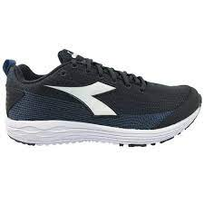
LYFD~175099-C0641#9.5 | DIADORA DISTANCE 280 BLK WHITE 175099-C0641 9.5 ?267 Y61 * 012-23 | LYFD~175099-C0641 | £90.00 | £32.00 | 8032521144026 | 20% | Adults | 20
 |  | LYFD~175099-C0641 Total |  |  |  |  |  | 174
LYFD~174890-C7406#3.5 | DIADORA FLAMINGO 4 WIN W BLACK WHITE 174890-C7406 ?158 Y61 - UK 3.5 * 012-6 | LYFD~174890-C7406 | £50.00 | £18.00 | 8030631917547 | 20% | Adults | 2
LYFD~174890-C7406#4.5 | DIADORA FLAMINGO 4 WIN W BLACK WHITE 174890-C7406 ?158 Y61 - UK 4.5 * 012-9 | LYFD~174890-C7406 | £50.00 | £18.00 | 8030631917523 | 20% | Adults | 5
LYFD~174890-C7406#5 | DIADORA FLAMINGO 4 WIN W BLACK WHITE 174890-C7406 ?158 Y61 - UK 5 * 012-13 | LYFD~174890-C7406 | £50.00 | £18.00 | 8030631909405 | 20% | Adults | 6
LYFD~174890-C7406#5.5 | DIADORA FLAMINGO 4 WIN W BLACK WHITE 174890-C7406 ?158 Y61 - UK 5.5 * 012-91 | LYFD~174890-C7406 | £50.00 | £18.00 | 8030631901287 | 20% | Adults | 83
LYFD~174890-C7406#6 | DIADORA FLAMINGO 4 WIN W BLACK WHITE 174890-C7406 ?158 Y61 - UK 6 * 012-7 | LYFD~174890-C7406 | £50.00 | £18.00 | 8030631901270 | 20% | Adults | 0
LYFD~174890-C7406#7.5 | DIADORA FLAMINGO 4 WIN W BLACK WHITE 174890-C7406 ?158 Y61 - UK 7.5 * 012-4 | LYFD~174890-C7406 | £50.00 | £18.00 | 8030631901249 | 20% | Adults | 1
 |  | LYFD~174890-C7406 Total |  |  |  |  |  | 97
LYFD~175055-20006#3.5 | DIADORA PLAYGROUND WN WHT NAVY SIL 175055-20006 3.5 ?543 Y61 * 012-59 | LYFD~175055-20006 | £60.00 | £20.00 | 8030631906596 | 20% | Adults | 58
LYFD~175055-20006#4.5 | DIADORA PLAYGROUND WN WHT NAVY SIL 175055-20006 4.5 ?543 Y61 * 012-125 | LYFD~175055-20006 | £60.00 | £20.00 | 8030631906572 | 20% | Adults | 123
LYFD~175055-20006#5 | DIADORA PLAYGROUND WN WHT NAVY SIL 175055-20006 5 ?543 Y61 * 012-140 | LYFD~175055-20006 | £60.00 | £20.00 | 8030631906565 | 20% | Adults | 137
LYFD~175055-20006#5.5 | DIADORA PLAYGROUND WN WHT NAVY SIL 175055-20006 5.5 ?543 Y61 * 012-22 | LYFD~175055-20006 | £60.00 | £20.00 | 8030631906558 | 20% | Adults | 20
LYFD~175055-20006#6 | DIADORA PLAYGROUND WN WHT NAVY SIL 175055-20006 6 ?543 Y61 * 012-118 | LYFD~175055-20006 | £60.00 | £20.00 | 8030631906541 | 20% | Adults | 111
LYFD~175055-20006#6.5 | DIADORA PLAYGROUND WN WHT NAVY SIL 175055-20006 6.5 ?543 Y61 * 012-37 | LYFD~175055-20006 | £60.00 | £20.00 | 8030631906534 | 20% | Adults | 26
LYFD~175055-20006#7 | DIADORA PLAYGROUND WN WHT NAVY SIL 175055-20006 7 ?543 Y61 * 012-3 | LYFD~175055-20006 | £60.00 | £20.00 | 8030631906527 | 20% | Adults | 0
 |  | LYFD~175055-20006 Total |  |  |  |  |  | 475
 |  | Grand Total |  |  |  |  |  | 6784

